Master
Index of day to predict | Real value | All predicted values | Stepwise predicted value | Biweekly predictions
111 | 93.33 | 96.89 | 97.56 | 107.85
116 | 95.19 | 98.46 |  | 104.77
121 | 90.64 | 100.57
124 | 89.47 | 95.45

 |  | X | Real CC | Predicted CC | Stepwise CC | Biweekly CC
 |  | 111 | 66.38 | 59.54 | 61.36 | 42.67
 |  | 116 | 78.34 | 64.13 |  | 39.59
 |  | 121 | 61.91 | 75.93
 |  | 124 | 69.99 | 59.97

Cluster 5
 | Real CC | Predicted CC | Stepwise CC | Biweekly CC
111 | 66.38 | 59.54 | 61.36 | 42.67
116 | 78.34 | 64.13 |  | 39.59
121 | 61.91 | 75.93
124 | 69.99 | 59.97

Cluster All
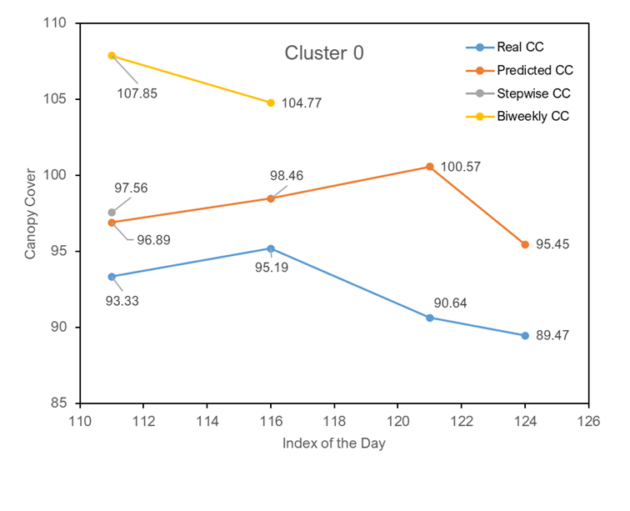
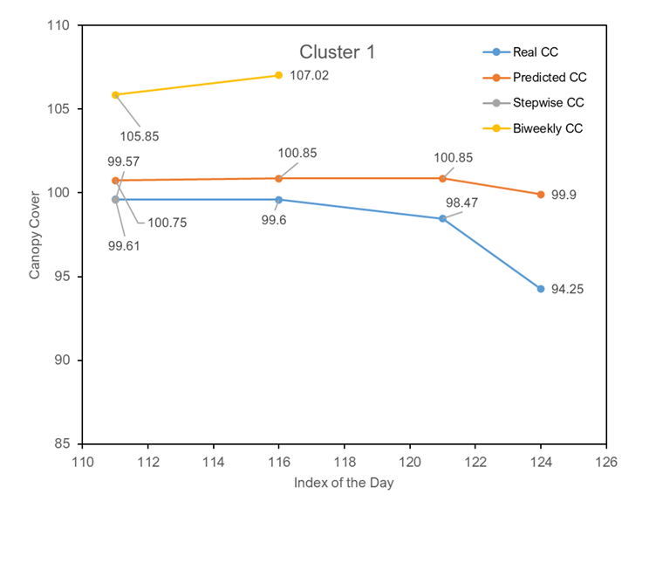
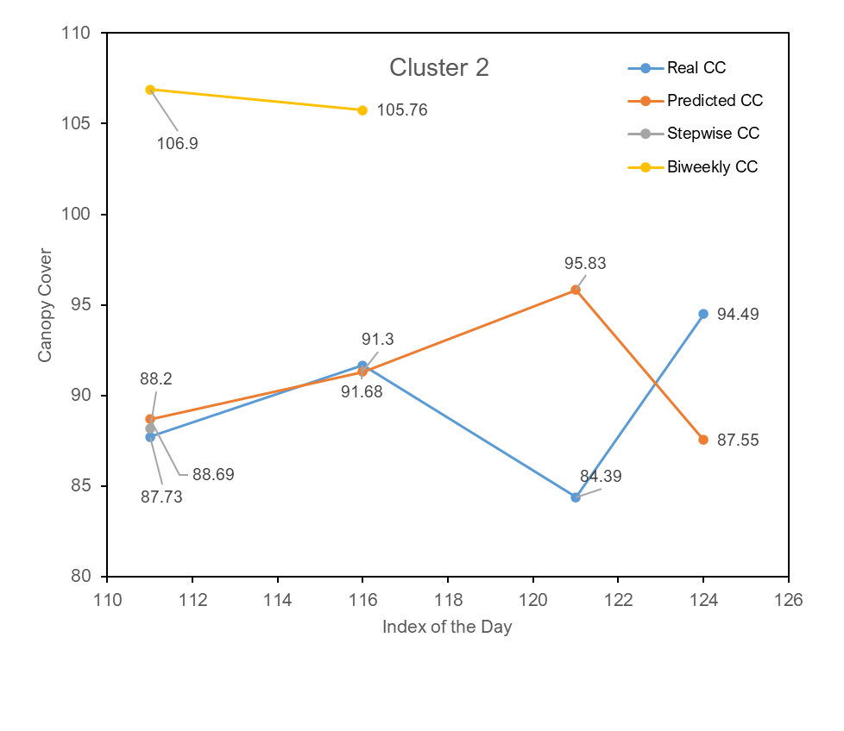
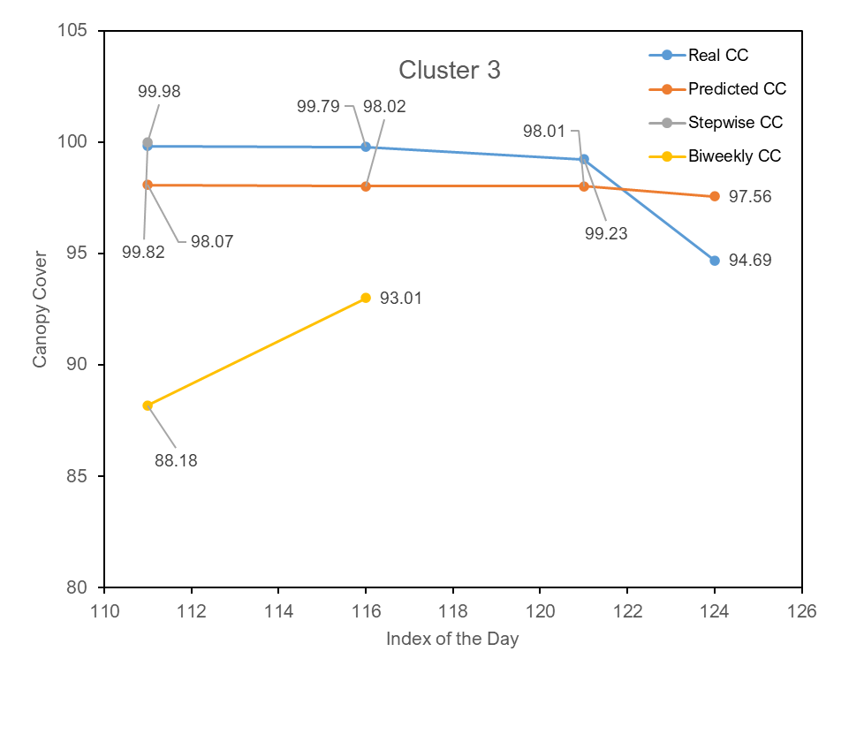
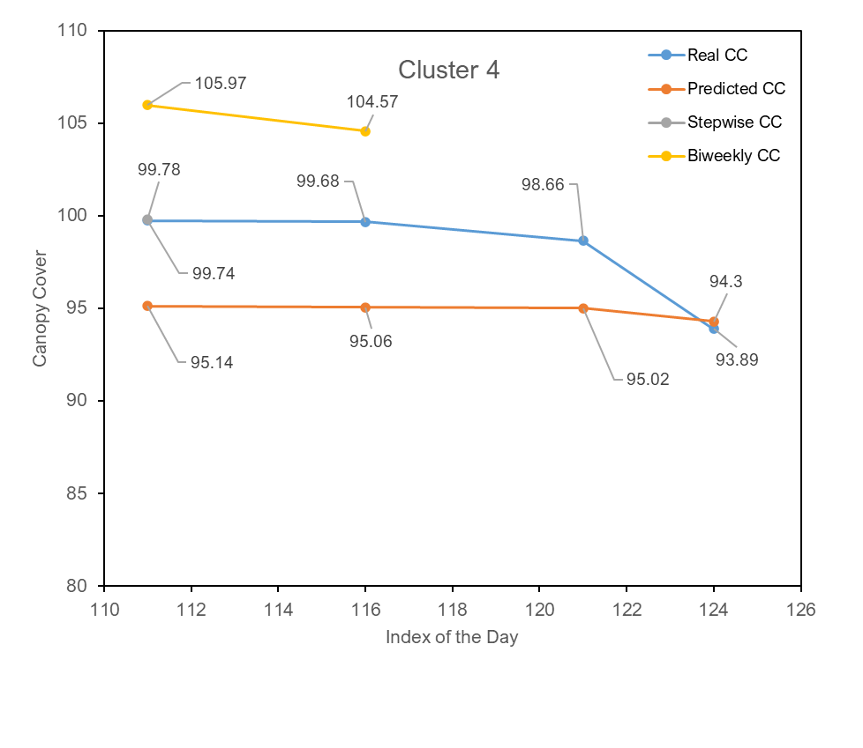
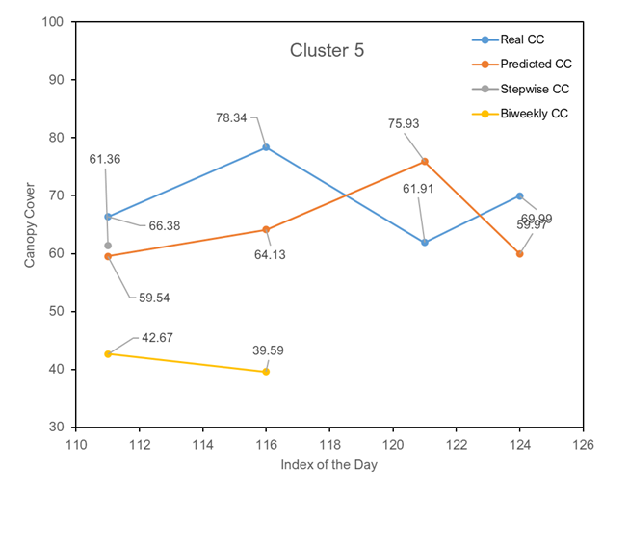
Cluster 0
Index of day to predict | Real value | All predicted values | Stepwise predicted value | Biweekly predictions
111 | 93.33 | 96.89 | 97.56 | 107.85
116 | 95.19 | 98.46 |  | 104.77
121 | 90.64 | 100.57
124 | 89.47 | 95.45

Cluster 1
Index of day to predict | Real value | All predicted values | Stepwise predicted value | Biweekly predictions
Index of day to predict | Real value | All predicted values | Stepwise predicted value | Biweekly predictions
111 | 99.61 | 100.75 | 99.57 | 105.85
116 | 99.6 | 100.85 |  | 107.02
121 | 98.47 | 100.85
124 | 94.25 | 99.9

Cluster 2
Index of day to predict | Real value | All predicted values | Stepwise predicted value | Biweekly predictions
111 | 87.73 | 88.69 | 88.2 | 106.9
116 | 91.68 | 91.3 |  | 105.76
121 | 84.39 | 95.83
124 | 94.49 | 87.55

Cluster 3
Index of day to predict | Real value | All predicted values | Stepwise predicted value | Biweekly predictions
111 | 99.82 | 98.07 | 99.98 | 88.18
116 | 99.79 | 98.02 |  | 93.01
121 | 99.23 | 98.01
124 | 94.69 | 97.56

Cluster 4
Index of day to predict | Real value | All predicted values | Stepwise predicted value | Biweekly predictions
111 | 99.74 | 95.14 | 99.78 | 105.97
116 | 99.68 | 95.06 |  | 104.57
121 | 98.66 | 95.02
124 | 93.89 | 94.3

Cluster 5
Index of day to predict | Real value | All predicted values | Stepwise predicted value | Biweekly predictions
111 | 66.38 | 59.54 | 61.36 | 42.67
116 | 78.34 | 64.13 |  | 39.59
121 | 61.91 | 75.93
124 | 69.99 | 59.97

Cluster 5
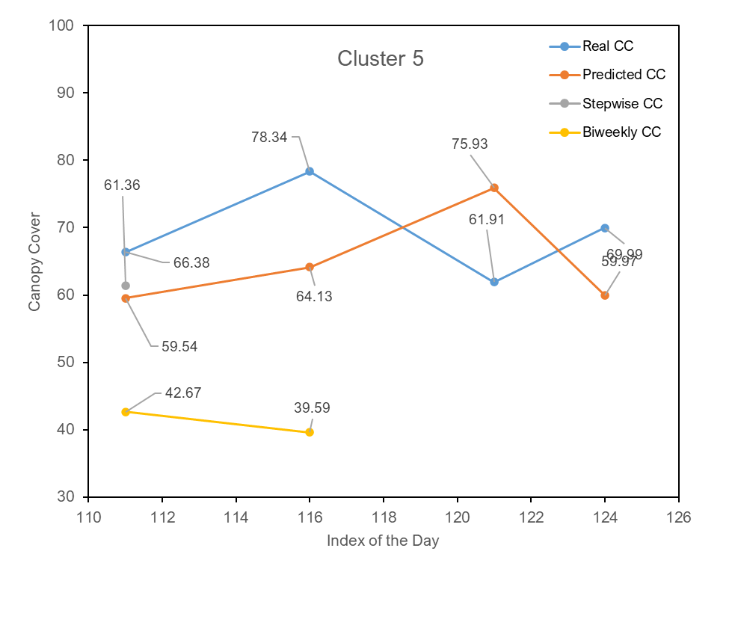

Cluster 1

Index of day to predict | Real value | All predicted values | Stepwise predicted value | Biweekly predictions
111 | 99.61 | 100.75 | 99.57 | 105.85
116 | 99.6 | 100.85 |  | 107.02
121 | 98.47 | 100.85
124 | 94.25 | 99.9

Cluster 00
